Correlation Matrix
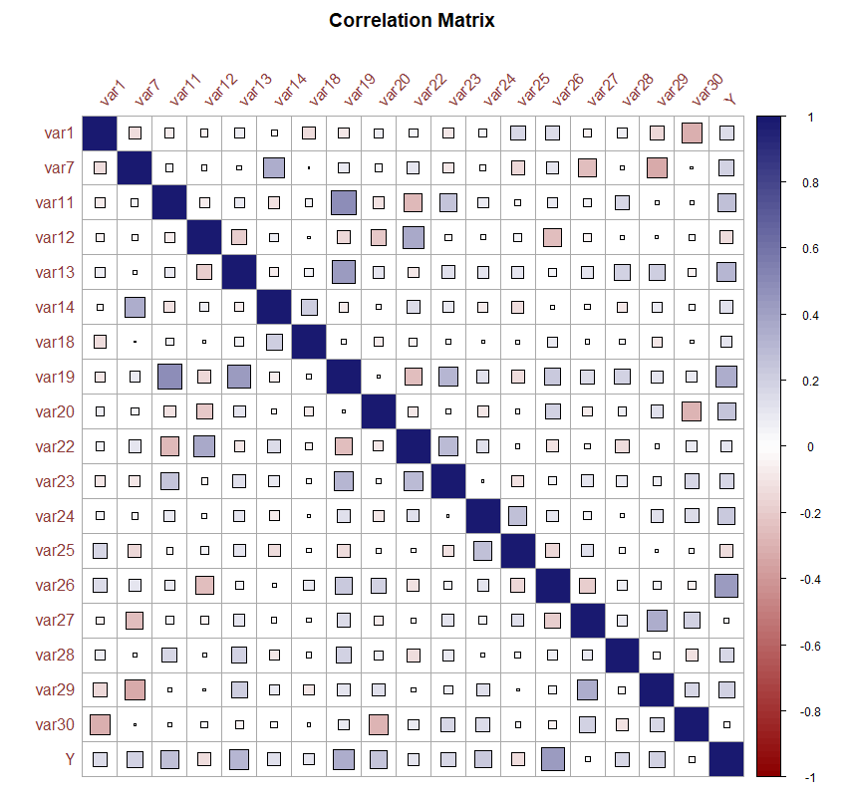
Correlation | var1 | var7 | var11 | var12 | var13 | var14 | var18 | var19 | var20 | var22 | var23 | var24 | var25 | var26 | var27 | var28 | var29 | var30 | Y
var1 | 1.00 | -0.13 | -0.07 | -0.04 | 0.08 | -0.03 | -0.13 | -0.08 | 0.07 | 0.06 | -0.09 | 0.05 | 0.18 | 0.15 | -0.04 | 0.07 | -0.16 | -0.31 | 0.16
var7 | -0.13 | 1.00 | 0.04 | -0.02 | 0.02 | 0.34 | 0.00 | 0.09 | 0.05 | 0.12 | -0.10 | -0.03 | -0.14 | 0.12 | -0.24 | -0.01 | -0.32 | 0.01 | 0.19
var11 | -0.07 | 0.04 | 1.00 | -0.08 | 0.08 | -0.10 | 0.05 | 0.50 | -0.11 | -0.27 | 0.25 | 0.09 | -0.03 | 0.08 | 0.06 | 0.18 | 0.02 | -0.01 | 0.28
var12 | -0.04 | -0.02 | -0.08 | 1.00 | -0.19 | 0.06 | 0.01 | -0.14 | -0.21 | 0.37 | -0.03 | 0.02 | 0.05 | -0.26 | -0.05 | 0.01 | 0.01 | 0.04 | -0.14
var13 | 0.08 | 0.02 | 0.08 | -0.19 | 1.00 | -0.07 | 0.06 | 0.42 | 0.11 | -0.09 | 0.13 | 0.11 | 0.12 | 0.05 | 0.11 | 0.19 | 0.21 | -0.05 | 0.30
var14 | -0.03 | 0.34 | -0.10 | 0.06 | -0.07 | 1.00 | 0.21 | -0.08 | -0.02 | 0.14 | 0.09 | -0.08 | -0.12 | 0.01 | -0.02 | -0.09 | 0.08 | 0.03 | 0.14
var18 | -0.13 | 0.00 | 0.05 | 0.01 | 0.06 | 0.21 | 1.00 | 0.02 | -0.07 | -0.05 | 0.02 | -0.01 | 0.01 | 0.09 | 0.02 | 0.02 | -0.09 | 0.01 | 0.10
var19 | -0.08 | 0.09 | 0.50 | -0.14 | 0.42 | -0.08 | 0.02 | 1.00 | 0.00 | -0.26 | 0.30 | 0.13 | -0.13 | 0.23 | 0.16 | 0.19 | 0.12 | 0.09 | 0.35
var20 | 0.07 | 0.05 | -0.11 | -0.21 | 0.11 | -0.02 | -0.07 | 0.00 | 1.00 | -0.08 | -0.02 | -0.10 | -0.02 | 0.18 | -0.07 | 0.07 | 0.13 | -0.30 | 0.26
var22 | 0.06 | 0.12 | -0.27 | 0.37 | -0.09 | 0.14 | -0.05 | -0.26 | -0.08 | 1.00 | 0.29 | 0.12 | -0.02 | -0.12 | -0.02 | -0.14 | -0.02 | 0.10 | 0.10
var23 | -0.09 | -0.10 | 0.25 | -0.03 | 0.13 | 0.09 | 0.02 | 0.30 | -0.02 | 0.29 | 1.00 | 0.00 | -0.11 | 0.05 | 0.12 | 0.10 | 0.06 | 0.17 | 0.17
var24 | 0.05 | -0.03 | 0.09 | 0.02 | 0.11 | -0.08 | -0.01 | 0.13 | -0.10 | 0.12 | 0.00 | 1.00 | 0.28 | 0.11 | 0.05 | 0.01 | 0.13 | 0.16 | 0.23
var25 | 0.18 | -0.14 | -0.03 | 0.05 | 0.12 | -0.12 | 0.01 | -0.13 | -0.02 | -0.02 | -0.11 | 0.28 | 1.00 | -0.16 | 0.12 | 0.03 | 0.01 | 0.02 | -0.14
var26 | 0.15 | 0.12 | 0.08 | -0.26 | 0.05 | 0.01 | 0.09 | 0.23 | 0.18 | -0.12 | 0.05 | 0.11 | -0.16 | 1.00 | -0.19 | 0.07 | 0.05 | -0.05 | 0.43
var27 | -0.04 | -0.24 | 0.06 | -0.05 | 0.11 | -0.02 | 0.02 | 0.16 | -0.07 | -0.02 | 0.12 | 0.05 | 0.12 | -0.19 | 1.00 | 0.09 | 0.35 | 0.20 | 0.02
var28 | 0.07 | -0.01 | 0.18 | 0.01 | 0.19 | -0.09 | 0.02 | 0.19 | 0.07 | -0.14 | 0.10 | 0.01 | 0.03 | 0.07 | 0.09 | 1.00 | -0.04 | -0.12 | 0.17
var29 | -0.16 | -0.32 | 0.02 | 0.01 | 0.21 | 0.08 | -0.09 | 0.12 | 0.13 | -0.02 | 0.06 | 0.13 | 0.01 | 0.05 | 0.35 | -0.04 | 1.00 | 0.17 | 0.20
var30 | -0.31 | 0.01 | -0.01 | 0.04 | -0.05 | 0.03 | 0.01 | 0.09 | -0.30 | 0.10 | 0.17 | 0.16 | 0.02 | -0.05 | 0.20 | -0.12 | 0.17 | 1.00 | -0.03
Y | 0.16 | 0.19 | 0.28 | -0.14 | 0.30 | 0.14 | 0.10 | 0.35 | 0.26 | 0.10 | 0.17 | 0.23 | -0.14 | 0.43 | 0.02 | 0.17 | 0.20 | -0.03 | 1.00

LR Weights
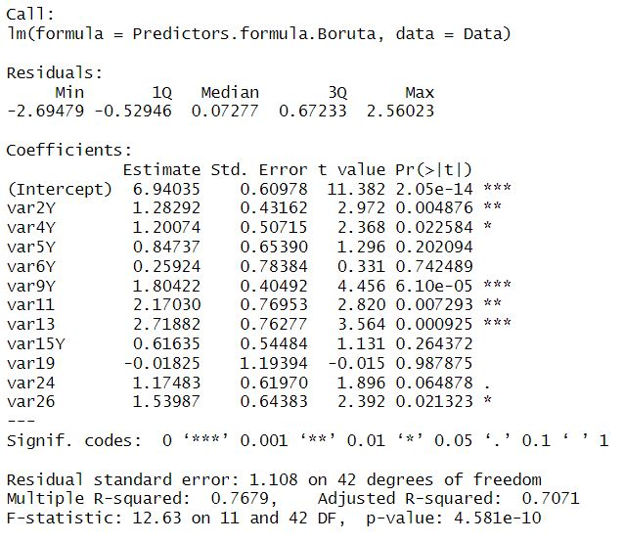
Variable | Coefficient | p < 0.1 | p < 0.05 | p < 0.01 | p < 0.001 | Weight
(Intercept) | 6.94 | Y | Y | Y | Y
var2Y | 1.28 | Y | Y | Y | N | 9%
var4Y | 1.20 | Y | Y | N | N | 9%
var5Y | 0.85 | N | N | N | N | 6%
var6Y | 0.26 | N | N | N | N | 2%
var9Y | 1.80 | Y | Y | Y | Y | 13%
var11 | 2.17 | Y | Y | Y | N | 16%
var13 | 2.72 | Y | Y | Y | Y | 20%
var15Y | 0.62 | N | N | N | N | 5%
var19 | -0.02 | N | N | N | N | 0%
var24 | 1.17 | Y | N | N | N | 9%
var26 | 1.54 | Y | Y | N | N | 11%

Metric | Value
R Squared | 76.79%
Adj. R Squared | 70.71%

R Squared value represents the proportion of variance explained in the dependent variable by the selected variables
Adjusted R Squared value discounts the effect of multiple variables on the R Squared & represents the true proportion of variance explained

RF Weights
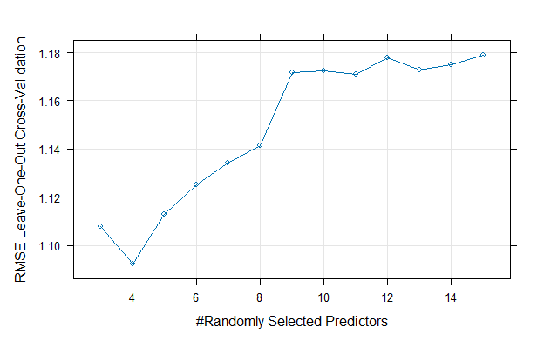
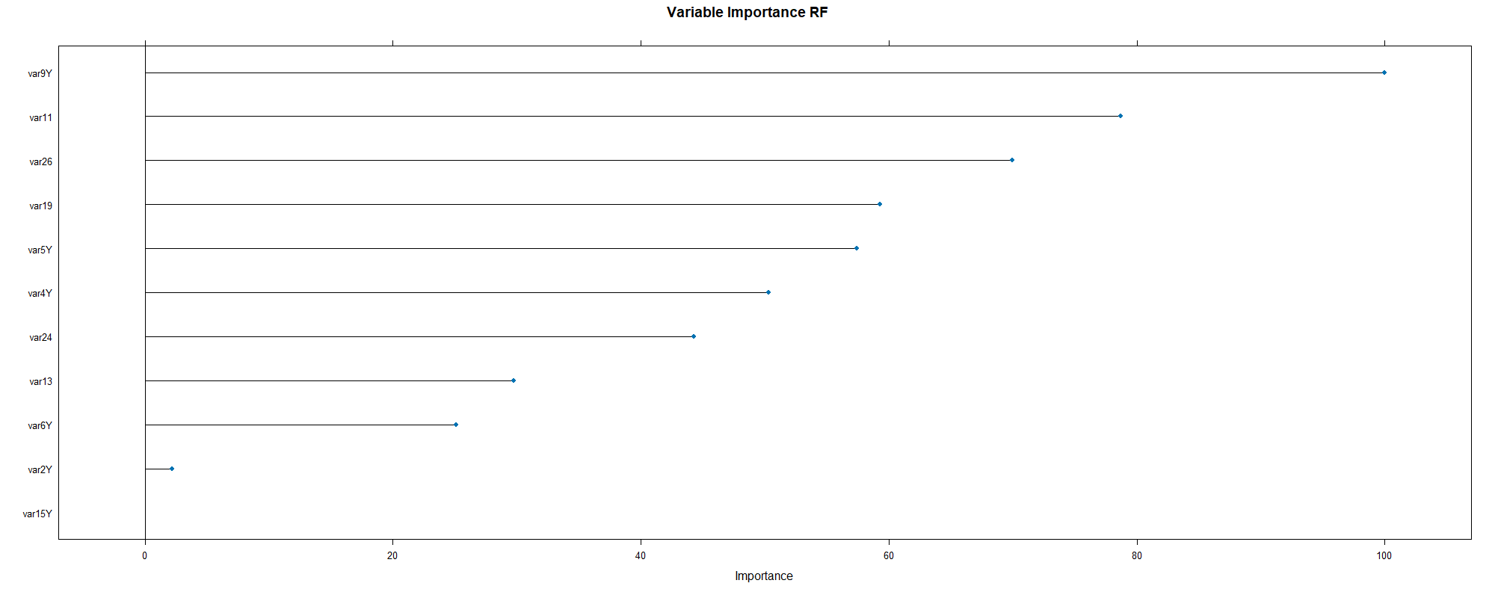
Variable | Description | Importance | Weight
var9Y | Sanitation | 100.00 | 19%
var11 | Green Area % | 78.70 | 15%
var26 | Students Participation (%) | 69.95 | 14%
var19 | New Teachers # | 59.26 | 11%
var5Y | Shading in East elevation | 57.45 | 11%
var4Y | Shading in South elevation | 50.29 | 10%
var24 | Teacher Participation (%) | 44.26 | 9%
var13 | Parking to Teacher % | 29.76 | 6%
var6Y | Shading in West elevation | 25.07 | 5%
var2Y | Solar Panel | 2.20 | 0%
var15Y | Accessibility | - | 0%

Boruta Weights
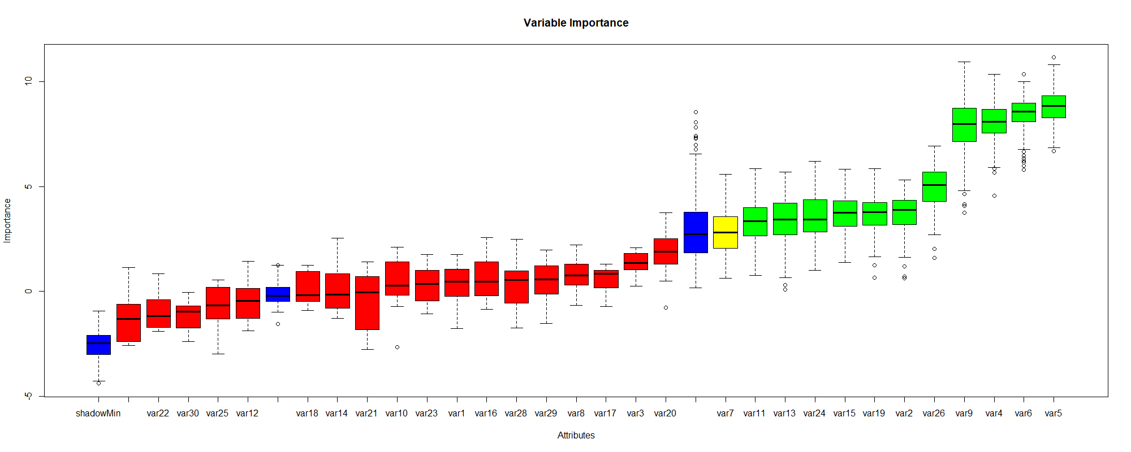
Variables | Variable Description | Decision | Mean Importance | Weight | Variables | meanImp | medianImp | minImp | maxImp | normHits | decision
var5 | Shading in East elevation | Confirmed | 8.79 | 14% | var1 | 0.31 | 0.45 | -1.76 | 1.77 | 0.01 | Rejected
var6 | Shading in West elevation | Confirmed | 8.50 | 14% | var2 | 3.75 | 3.87 | 0.63 | 5.32 | 0.70 | Confirmed
var4 | Shading in South elevation | Confirmed | 8.05 | 13% | var3 | 1.36 | 1.36 | 0.26 | 2.09 | 0.01 | Rejected
var9 | Sanitation | Confirmed | 7.89 | 13% | var4 | 8.05 | 8.08 | 4.56 | 10.34 | 0.98 | Confirmed
var26 | Students Participation (%) | Confirmed | 4.99 | 8% | var5 | 8.79 | 8.84 | 6.69 | 11.15 | 0.99 | Confirmed
var2 | Solar Panel | Confirmed | 3.75 | 6% | var6 | 8.50 | 8.57 | 5.81 | 10.35 | 0.99 | Confirmed
var15 | Accessibility | Confirmed | 3.70 | 6% | var7 | 2.88 | 2.80 | 0.63 | 5.59 | 0.54 | Tentative
var19 | New Teachers # | Confirmed | 3.66 | 6% | var8 | 0.78 | 0.77 | -0.68 | 2.21 | - | Rejected
var24 | Teacher Participation (%) | Confirmed | 3.58 | 6% | var9 | 7.89 | 7.98 | 3.75 | 10.93 | 0.97 | Confirmed
var13 | Parking to Teacher % | Confirmed | 3.42 | 5% | var10 | 0.38 | 0.26 | -2.66 | 2.11 | - | Rejected
var11 | Green Area % | Confirmed | 3.37 | 5% | var11 | 3.37 | 3.34 | 0.76 | 5.84 | 0.65 | Confirmed
var7 | Water Consumption L/person.yr | Tentative | 2.88 | 5% | var12 | -0.43 | -0.46 | -1.89 | 1.44 | - | Rejected
var20 | New Staff # | Rejected | 1.86 |  | var13 | 3.42 | 3.42 | 0.08 | 5.69 | 0.64 | Confirmed
var3 | Insulation in walls and ceiling | Rejected | 1.36 |  | var14 | 0.10 | -0.16 | -1.29 | 2.54 | - | Rejected
var8 | Rain water Tank | Rejected | 0.78 |  | var15 | 3.70 | 3.74 | 1.37 | 5.82 | 0.69 | Confirmed
var16 | Heat Island Effect | Rejected | 0.64 |  | var16 | 0.64 | 0.46 | -0.87 | 2.57 | - | Rejected
var17 | Waste Speration | Rejected | 0.53 |  | var17 | 0.53 | 0.84 | -0.73 | 1.30 | - | Rejected
var29 | Success Rate (%) | Rejected | 0.47 |  | var18 | 0.15 | -0.18 | -0.90 | 1.24 | - | Rejected
var10 | Sanitation Efficiency | Rejected | 0.38 |  | var19 | 3.66 | 3.77 | 0.64 | 5.86 | 0.69 | Confirmed
var28 | Sick Leave (%) | Rejected | 0.33 |  | var20 | 1.86 | 1.90 | -0.77 | 3.75 | 0.02 | Rejected
var23 | Disabeld students % | Rejected | 0.32 |  | var21 | -0.46 | -0.06 | -2.77 | 1.39 | - | Rejected
var1 | Energy Consumption KWh/m² | Rejected | 0.31 |  | var22 | -0.96 | -1.19 | -1.91 | 0.85 | - | Rejected
var18 | Maintinance cost NIS/yr | Rejected | 0.15 |  | var23 | 0.32 | 0.34 | -1.08 | 1.77 | - | Rejected
var14 | Closest to Public transportation m | Rejected | 0.10 |  | var24 | 3.58 | 3.44 | 1.00 | 6.21 | 0.67 | Confirmed
var12 | Shading Area % | Rejected | -0.43 |  | var25 | -0.71 | -0.67 | -2.99 | 0.55 | - | Rejected
var21 | Social activities | Rejected | -0.46 |  | var26 | 4.99 | 5.07 | 1.59 | 6.94 | 0.86 | Confirmed
var25 | Parents Participation (%) | Rejected | -0.71 |  | var27 | -1.30 | -1.32 | -2.58 | 1.13 | - | Rejected
var22 | Low income students % | Rejected | -0.96 |  | var28 | 0.33 | 0.54 | -1.75 | 2.48 | - | Rejected
var30 | Drop out rate (%) | Rejected | -1.15 |  | var29 | 0.47 | 0.57 | -1.52 | 1.98 | - | Rejected
var27 | Attendance Rates (%) | Rejected | -1.30 |  | var30 | -1.15 | -0.98 | -2.39 | -0.05 | - | Rejected

